Cover Sheet
Engineering Standard

X-TMP-STD-008 Engineering Technical Hazard Study Template

Document Number: TEM-00213

This document is the property of Seqwater. It must not be copied or reproduced in any way whatsoever without the authority of Seqwater. This document is uncontrolled when printed. An electronic database manages and stores the controlled version.

Ver No. | Description | Document Owner |  | Document Approver
 |  | Position | Approval | Position | Approval | Approval Date
5 | Amended Version (Minor Update) | Lead Process Engineer P6248 | Refer to supporting Info in Rex | Principal Engineering Standards and Assurance P6255 | Refer to supporting Info in Rex | 2025-10-02

Version History
Ver No. | Date | Description | Author | SME | Owner | Approver
5 | 2025-10-02 | Amended Version
4 | 2025-06-30 | Amended Version
3 | 2024-03-04 | Amended Version
2 | 2020-10-08 | Amended Version
1 | 2017-09-21 | Original Version
(Refer Controlled Document in REX for Author, SME, Owner and Approver details)

DOCUMENT SENTITIVITY: OFFICIAL (Public)

Risk Matrix Table and Taxonomy
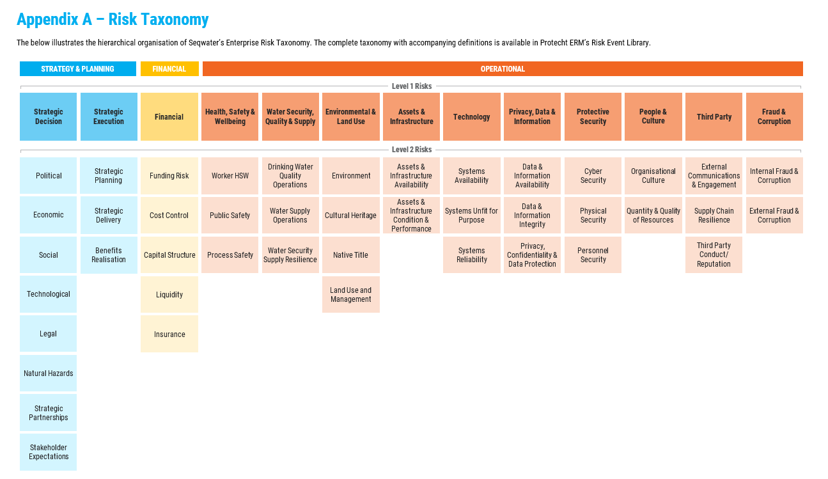
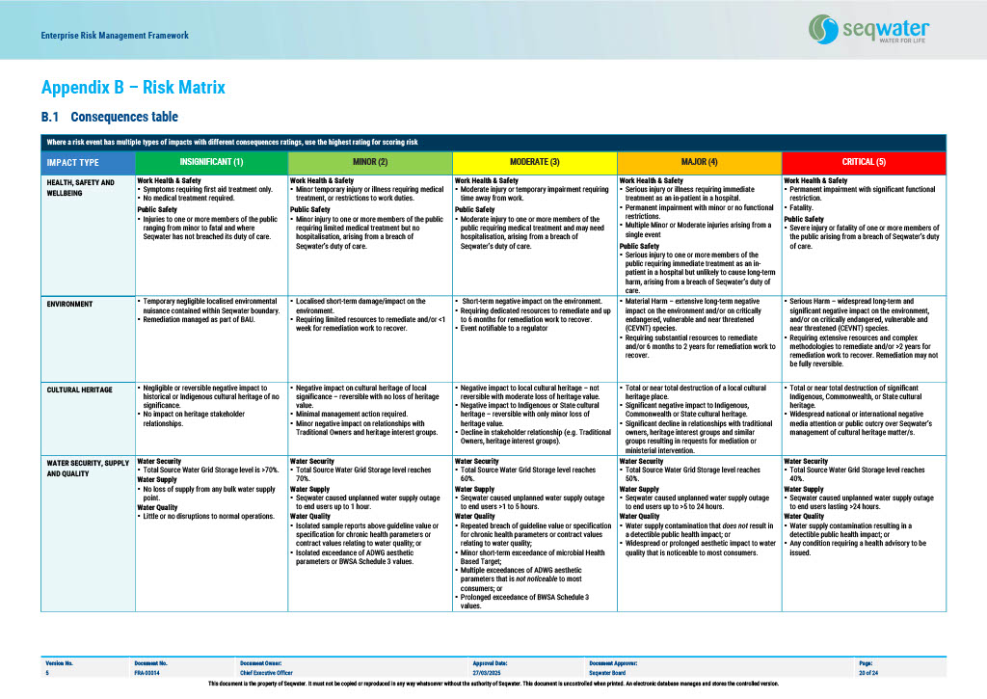
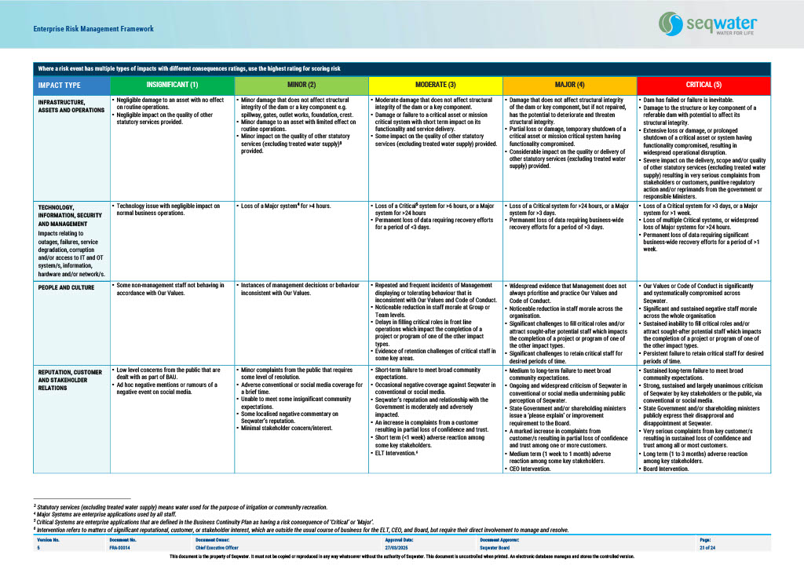
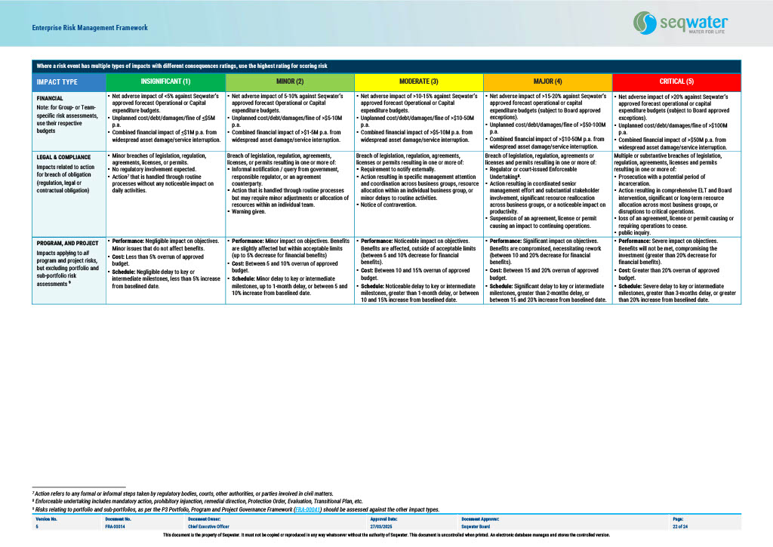
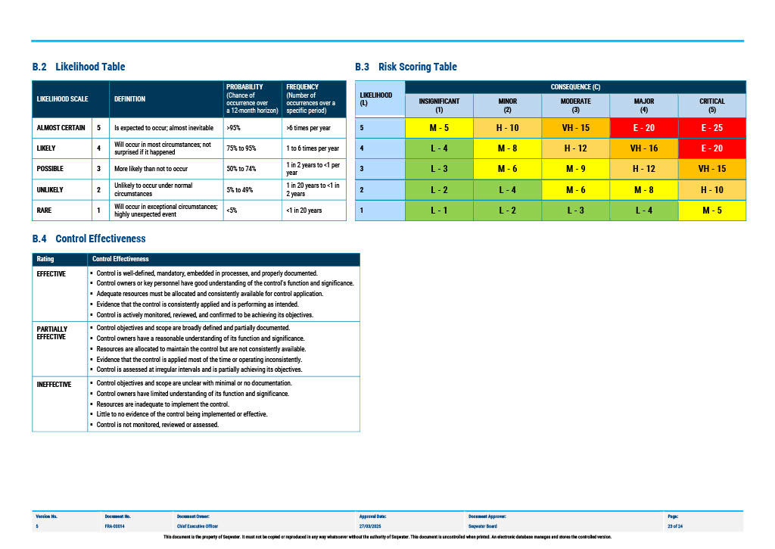
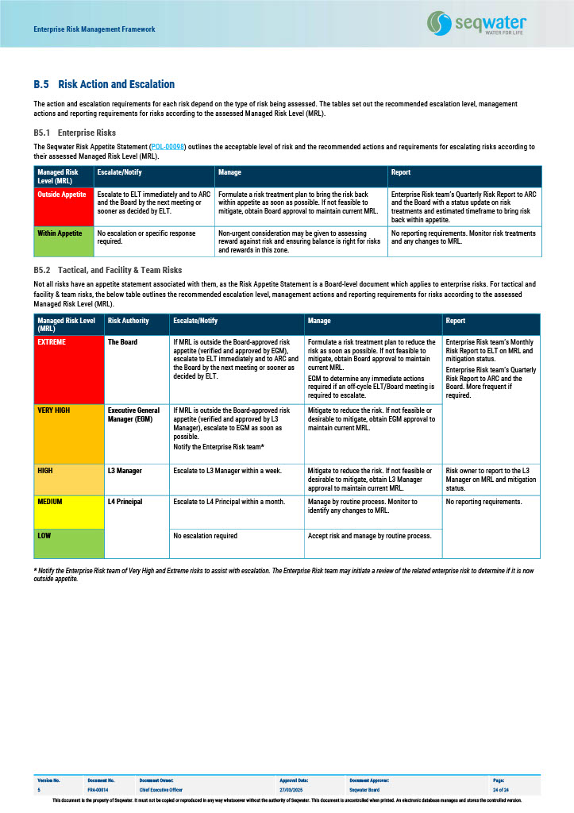
Refer to: | FRA-00014 : Enterprise Risk Management Framework | Appendix A for Risk Taxonomy, and Appendix B for Corporate Risk Matrix. For convenience the risk taxonomy and risk matrix are copied below, however, the currency of the Risk Matrix must be verified from FRA-00014 Corporate - Enterprise Risk Management Framework before use.

